الورقة1
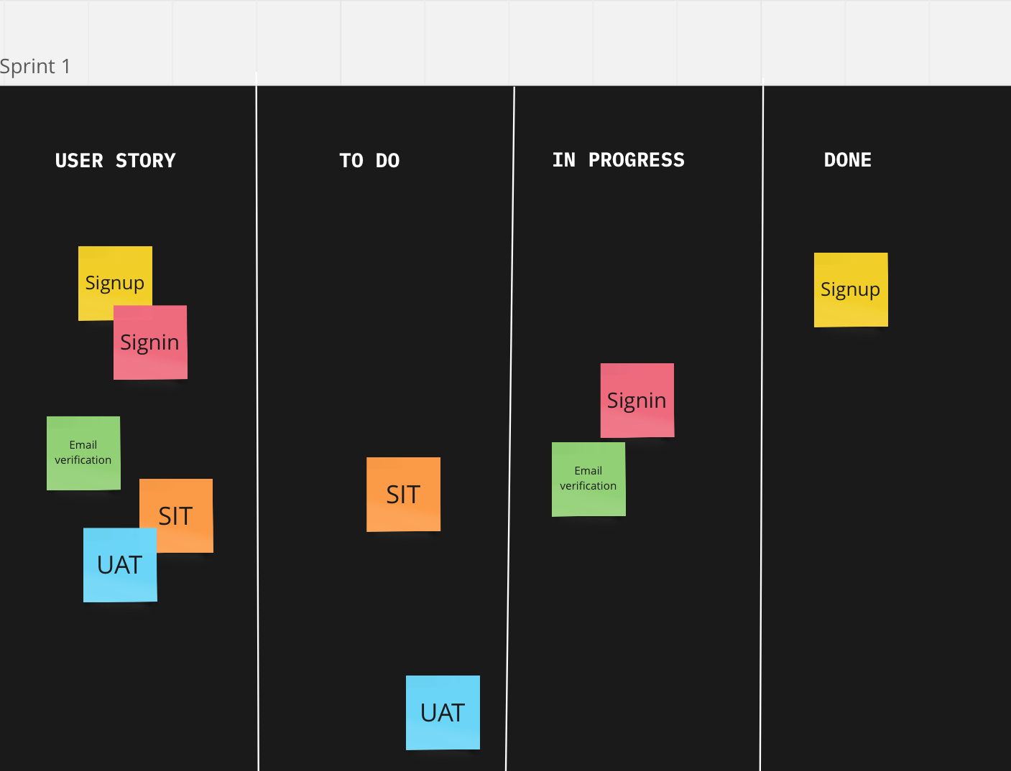
Sprint Burndown Chart

palnned&actual
Time |  | Story Points
day | date | palnned | actual
Mon | 31 Oct | 20 | 20
Tue | 1 Nov | 18 | 18
Wed | 2 Nov | 16 | 17
Thurs | 3 Nov | 14 | 15
Fri | 4 Nov | 12 | 13
Sat | 5 Nov | 12 | 13
Sun | 6 Nov | 12 | 13
Mon | 7 Nov | 10 | 8
Tue | 8 Nov | 8 | 6
Wed | 9 Nov | 6 | 4
Thurs | 10 Nov | 4 | 2
Fri | 11 Nov | 0 | 0

